Dashboard
BELFAST IMPLEMENTATION PROJECT - PROJECT CONTROLS DASHBOARD MAY 2016

 | 1. SPI & CPI |  |  |  | 2. COST BASELINE TRACKER |  |  |  |  |  | 3. COST FORECAST / ACTUAL
Trend Analysis
 | SPI | CPI
Aug-14 | 1 | 1
Sep-14 | 0.89 | 1.45
Oct-14 | 0.92 | 1.28
Nov-14 | 0.94 | 1.26
Dec-14 | 0.9 | 1.3
Jan-15 | 0.97 | 0.91
Feb-15 | 0.91 | 1.2
Mar-15 | 0.76 | 1.29
Apr-15 | 1.02 | 1.12
May-15 | 1.2 | 0.9
Jun-15 | 1.15 | 0.95
Jul-15 | 1.06 | 0.98
Aug-15 | 1.11 | 0.98
Sep-15 | 1.08 | 0.89
Oct-15 | 1.05 | 1.08
Nov-15 | 1.02 | 1.0167987017
Dec-15 | 1.02 | 1.0081270882
Jan-16 | 0.99 | 1
Feb-16 | 0.99 | 1
Mar-16 | 0.99 | 1
Apr-16 | 0.99 | 1
May-16 | 0.92 | 0.95
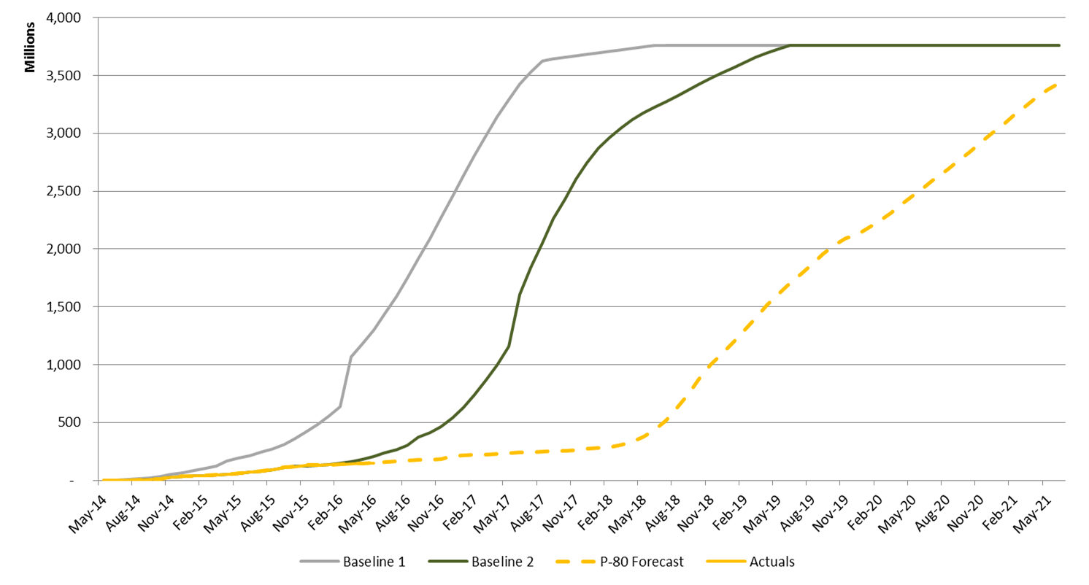
 |  |  |  |  |  |  |  |  |  |  | May 2016 - Forecast |  |  |  |  | 5,834,697 |  | June 2016 Forecast
 |  |  |  |  |  |  |  |  |  |  | May 2016 - Actual: |  |  |  |  | 4,951,467
 |  |  |  |  |  |  |  |  |  |  | May 2016 - Variance: |  |  |  |  | (883,230) |  | 4,456,192

 |  |  |  |  |  |  |  |  |  |  | Comments on Variance:
 |  |  |  |  |  |  |  |  |  |  | * | No salary recoveries were posted due to timesheet system issue

 |  |  |  |  |  |  |  |  |  |  |  |  |  |  |  |  |  |  |  |  |  |  | 3757
 |  |  |  |  |  |  |  |  |  |  |  |  |  |  |  |  |  |  |  |  |  |  | 3116

BIP - Recoveries
Recovered | 7,823,189
Unrecovered | -
 | Savings
Actual | 641
Target | 188
 | 4. COST RECOVERIES | 5. SAVINGS |  |  |  | 6. COST / FINANCIAL SUMMARY |  |  |  |  |  |  |  |  |  |  | 7. RISK FUNDS ALLOCATION |  |  |  |  |  | 641
 |  | Target: | 5% | R 188m
 |  |  |  |  |  | WBS |  | BUDGET | COMMITTED | ACTUAL |  |  | AVAILABLE |  | FFC |  | Risk Fund |  | Orig. | Used |  | Avail.
 |  |  |  |  |  | Consultants |  | 132,370,473 | 125,026,465 | 109,127,788 |  |  | 7,344,008 |  | 132,370,473 |  | Contingency |  | 348 | 3.6 |  | 344.4
 |  |  |  |  |  | Owners Cost |  | 50,590,570 | 46,844,173 | 35,136,502 |  |  | 3,746,397 |  | 50,590,570 |  | Escalation |  | 648 | 4.5 |  | 643.5
 |  |  |  |  |  | Temporary Construction Infrastructure |  | 816,860 | 706,410 | 706,410 |  |  | 110,449 |  | 816,860 |  | TOTALS |  | 996 | 8.1 |  | 987.9
 |  |  |  |  |  | Eskom Power Supply |  | 1,969,177 | 1,969,177 | 1,969,177 |  |  | 0 |  | 1,969,177
 |  |  |  |  |  | Early Works Construction |  | 11,975,629 | - | - |  |  | 11,975,629 |  | 11,975,629 |  | Source of CRQ |  | Submitted |  | Approved
 |  |  |  |  |  | Geotechnical |  | 100,000 | 83,082 | 83,082 |  |  | 16,918 |  | 100,000 |  | Arup |  | 68 |  | 28
 |  |  |  |  |  | Wetland Offsets |  | 12,509,200 | 2,997,470 | 2,997,470 |  |  | 9,511,730 |  | 12,509,200 |  | DRA |  | 15 |  | 14
 |  |  |  |  |  | Mining Opex (Box Cuts) |  | 2,000,000 | - | - |  |  | 2,000,000 |  | 2,000,000 |  | MMD |  | 8 |  | 7
 |  |  |  |  |  | Resettlements |  | 20,380,057 | 9,669,066 | 1,939,022 |  |  | 10,710,991 |  | 20,380,057 |  | Project |  | 104 |  | 99
 |  |  |  |  |  | Contingency and Escalation |  | 27,288,034 | - | - |  |  | 27,288,034 |  | 27,288,034 |  | Steercom/Owner |  | 2 |  | 2
 |  |  |  |  |  | TOTAL |  | 260,000,000 | 187,295,842 | 151,959,451 |  |  | 72,704,158 |  | 260,000,000 |  | TOTALS |  | 197 |  | 150

 | 2. SCHEDULE PROGRESS METRICS |  |  |  |  |  | 6. DOC CONTROL |  |  |  |  |  |  | 7. PROJECT VALUE TRACKING (BULLS EYE CHART)
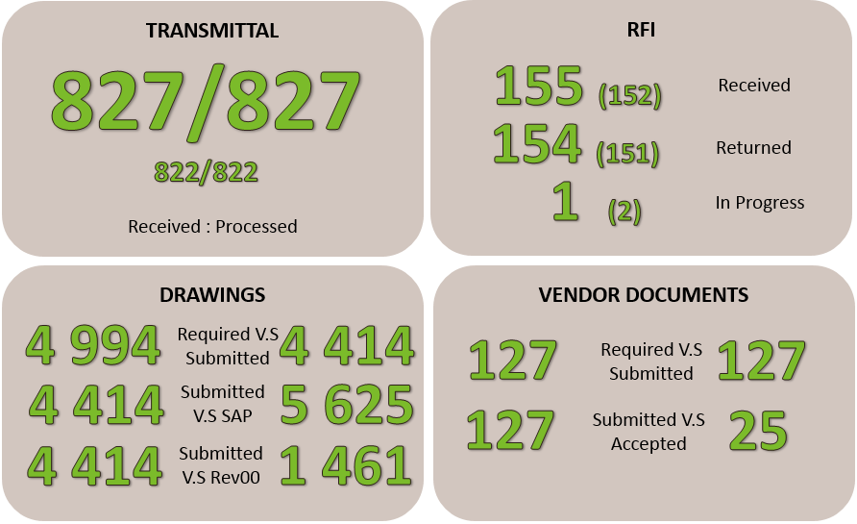
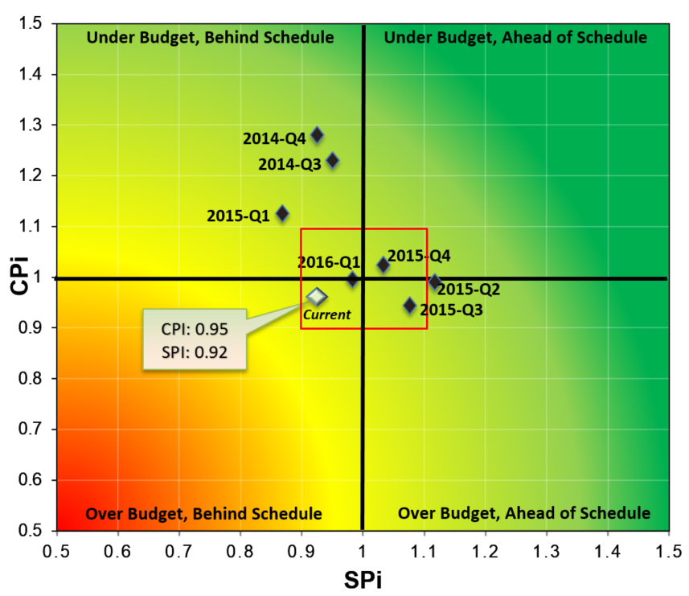
 | PROGRESS ON KEY ACTIVITIES |  |  |  | ACTUAL | PLANNED COMPLETE
 | License to Operate |  |  |  | In progress | 23-Nov-16
 | Early Works construction contract award |  |  |  | In progress | 30-Jun-16
 | Railway Siding Design Contract Award |  |  |  | In progress | 30-May-16
 | Bulk Earthworks Construction Contract Award |  |  |  | In progress | 30-Jun-16
 | CHPP Construction Contract Award |  |  |  | In progress | 30-Jun-16
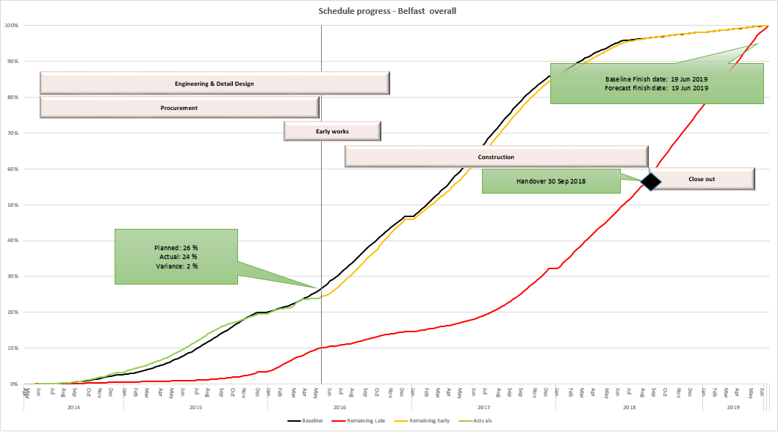

Drawings Expected / Recieved
 | Expected | Actual
Jan-15 | 3 | 8
Feb-15 | 8 | 30
Mar-15 | 14 | 36
Apr-15 | 21 | 42
May-15 | 29 | 129
Jun-15 | 38 | 170
Jul-15 | 238 | 332
Aug-15 | 1140 | 504
Sep-15 | 1740 | 647
Oct-15 | 2430 | 1683
Nov-15 | 3230 | 2983
Dec-15 | 4030 | 3433
Jan-16 | 4600 | 3733
Feb-16 | 4854 | 3933
Mar-16 | 4994 | 4413
Apr-16 | 4994 | 4414

Doc Contr
Drawings Expected / Recieved
Document Control
 | Cumulative |  | Per Month |  | Fill out here
 | Expected | Actual | Expected | Actual
Jan-15 | 3 | 8 | 3 | 8
Feb-15 | 8 | 30 | 5 | 22
Mar-15 | 14 | 36 | 6 | 6
Apr-15 | 21 | 42 | 7 | 6
May-15 | 29 | 129 | 8 | 87
Jun-15 | 38 | 170 | 9 | 41
Jul-15 | 238 | 332 | 200 | 162
Aug-15 | 1140 | 504 | 902 | 172
Sep-15 | 1740 | 647 | 600 | 143
Oct-15 | 2430 | 1683 | 690 | 1036
Nov-15 | 3230 | 2983 | 800 | 1300
Dec-15 | 4030 | 3433 | 800 | 450
Jan-16 | 4600 | 3733 | 570 | 300
Feb-16 | 4854 | 3933 | 254 | 200
Mar-16 | 4994 | 4413 | 140 | 480
Apr-16 | 4994 | 4414 |  | 1

 |  | 580

SPi-CPi
Trend Analysis
CPI Trend
 | SPI | CPI
Aug-14 | 1 | 1
Sep-14 | 0.89 | 1.45
Oct-14 | 0.92 | 1.28
Nov-14 | 0.94 | 1.26
Dec-14 | 0.9 | 1.3
Jan-15 | 0.97 | 0.91
Feb-15 | 0.91 | 1.2
Mar-15 | 0.76 | 1.29
Apr-15 | 1.02 | 1.12
May-15 | 1.2 | 0.9
Jun-15 | 1.15 | 0.95
Jul-15 | 1.06 | 0.98
Aug-15 | 1.11 | 0.98
Sep-15 | 1.08 | 0.89
Oct-15 | 1.05 | 1.08
SPI Trend
Nov-15 | 1.02 | 1.02
Dec-15 | 1.02 | 1.01
Jan-16 | 0.99 | 1.00
Feb-16 | 0.99 | 1.00
Mar-16 | 0.99 | 1.00
Apr-16 | 0.99 | 1.00
May-16 | 0.92 | 0.95

Savings
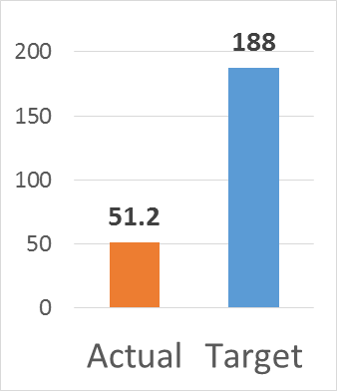
 | Savings
Actual | 641
Target | 188

Recoveries
Paste here
BIP - Recoveries
Belfast Project Recoveries

Actual Cost | 7,823,188.59
Recovered | 7,823,188.59

Recovered | 7,823,189
Unrecovered | -

42549

HR
 | 2015 |  |  |  | 2016 |  |  |  | 2017
 | Q1 | Q2 | Q3 | Q4 | Q1 | Q2 | Q3 | Q4 | Q1 | Q2 | Q3 | Q4
Actual | 5
Planned | 5 | 5 | 5 | 5 | 5 | 6 | 6 | 7 | 7 | 6 | 5 | 5

Engineering staffing
 | Actual | Planned
Q1 | 5 | 5
Q2 |  | 5
Q3 |  | 5
Q4 |  | 5
Q1 |  | 5
Q2 |  | 6
Q3 |  | 6
Q4 |  | 7
Q1 |  | 7
Q2 |  | 6
Q3 |  | 5
Q4 |  | 5

Civil
Mechanical
Process
Electrical

Quality
Item | PAM Ref | Aspect | Complete | Quality | Must | Result | Remarks, Design Assumptions, Mitigation
1000 | GENERAL AND ENGINEERING DELIVERABLES
1100 | Process
1101 |  | Are following documents prepared: Design Dossier 1: Project & Plant description, PED System/Assembly Summary Sheet, Process Flow Diagrams, Over Pressure Protection Description, Equipment List, Process and Control Narrative, List of Codes and Standards Used, Process & Instrumentation Diagrams, Line List, Relief Valve Calculations, Relief Valve Datasheets, HAZOP Design Dossier 2 Per system / assembly: Process Descriptions, Marked-up Process & Instrumentation Diagrams, Hazard Checklists, ESR Checklist, Marked-up PFD | 1 | 3 | Y | Acceptable
1102 |  | Are following reviews completed: Design Dossier 2 Per system / assembly: Process Descriptions, Marked-up Process & Instrumentation Diagrams, Marked-up PFD. Reviews to be conducted as per the requirements of the Belfast Engineering Management plan. | 1 | 3 | Y | Acceptable

1200 | Civil and Structural
1001 |  | Have all necessary specifications been issued for construction activities to support the piling works? - Driven Piles - Augered piles | 1 | 1 | Y | Non-Conformity
1002 |  | Have all necessary specifications been issued for construction activities to support the civil works? - Excavation and Backfill Specification - Specification for Reinforcement - Cast-In-Place Reinforced Concrete - Installation of Foundations - Fabrication, Installation of Anchor Bolts, and Embedded Steel - Grouting for Equipment and Structural Foundations - Construction of Concrete Paving and Roadways | 1 | 2 | Y | Observation
1003 |  | Have all necessary specifications been issued for construction activities to support the structural steel works? - Fabrication of Structural and Miscellaneous Steel - Specification for Erection of Structural Steel - Fabricated Steel Grating - Field Drilling and welding of Structural Steel - NDT - Fireproofing of Structural Steel and Vessel Supports | 1 | 3 | Y | Acceptable
1004 |  | Specification for HVAC Installation | 0 |  | Y | Non-Conformity
1005 |  | Standard Drawings | NA |  | Y | Not Applicable
1300 | Mechanical
1301 |  | Are there any special requirements for documentation, materials, testing or inspection ? | 1 | 1 | Y | Non-Conformity
1302 |  | Are following documents prepared: Equipment List, Equipment Operation Manuals | 1 | 2 | Y | Observation

1400 | Piping
1401 |  | Has the definition of the split scope of supply between Exxaro and the design Contractor been fully defined and understood. - Are there small bore isometrics or is small bore field run? - If there are small bore isos are they field supported? - is the Contractor supplying any materials ? | 1 | 1 | Y | Non-Conformity
1402 |  | Has Constructability input been given ? Have the field and field fit-up welds on ISOs been identified considering construction sequence. If there are late equipment deliveries in some cases the final close up piping may need to be left as a separate spool. Field Fit-up Welds must be provided with 3” to 6” of pipe for field fit purposes. Do all isometrics identify the following where required: • Post Weld Heat Treatment • special NDE requirements • Gussets or special bracing • Jacking bolt hole drilling • Cold spring requirements at specific locations • CWP numbers | 1 | 2 | Y | Observation
1403 |  | How are the requirements of ASME dealt with? Are there any special requirements for documentation, materials, testing or inspection ? Are Fluid services to be classified as Category M provided by process and with the Client? | 1 | 3 | Y | Acceptable
1404 |  | Are there any special requirements for documentation, materials, testing or inspection ? Are following documents prepared: Implementation Plan, List of Codes and Standards Used, Line List including category classification, Plot Plan & Partition Drawings, Interlock System Philosophy, Particular Material Appraisals (where necessary), Isometrics (per system/assembly). | 0 |  | Y | Non-Conformity
 |  |  | NA |  | Y | Not Applicable
1500 | Electrical
1501 |  | Are there any special requirements for documentation, materials, testing or inspection ? | 1 | 1 | Y | Non-Conformity

1600 | C&I
1601 |  | How are the requirements of ASME dealt with? Are there any special requirements for documentation, materials, testing or inspection ? | 1 | 1 | Y | Non-Conformity
1602 |  | How are the requirements of the Pressure Equipment Directive dealt with? Are there any special requirements for documentation, materials, testing or inspection ? Are following documents prepared: Process and Control Narrative, Relief Valve Calculations, Relief Valve Datasheets, Interlock System Philosophy | 1 | 2 | Y | Observation

2000 | PROCEDURES AND SPECIFICATIONS
2100 | Process
2101 |  | Are all Pipe cleaning requirements known and forwarded to Piping for inclusion in the Cleaning specification | 1 | 3 | Y | Acceptable

2200 | Civil and Structural
2201 |  | Have all necessary specifications been issued for construction activities to support the piling works? - Driven Piles - Augered piles | 1 | 1 | Y | Non-Conformity
2202 |  | Have all necessary specifications been issued for construction activities to support the civil works? - Excavation and Backfill Specification - Specification for Reinforcement - Cast-In-Place Reinforced Concrete - Installation of Foundations - Fabrication, Installation of Anchor Bolts, and Embedded Steel - Grouting for Equipment and Structural Foundations - Construction of Concrete Paving and Roadways | 1 | 2 | Y | Observation
2203 |  | Have all necessary specifications been issued for construction activities to support the structural steel works? - Fabrication of Structural and Miscellaneous Steel - Specification for Erection of Structural Steel - Fabricated Steel Grating - Field Drilling and welding of Structural Steel - NDT - Fireproofing of Structural Steel and Vessel Supports | 1 | 3 | Y | Acceptable
2204 |  | Is the Mechanical Activity plan in place? Quality & Completeness? | 1 | 1 | Y | Non-Conformity

2300 | Mechanical
 |  | Is the Mechanical Activity plan in place? Quality & Completeness? | 1 | 1 | Y | Non-Conformity
 |  | Have all necessary specifications been issued for construction activities to support the mechanical works? | 1 | 2 | Y | Observation

2400 | Piping
2401 |  | Is Piping Activity plan in place? Quality & Completeness? | 1 | 1 | Y | Non-Conformity
2402 |  | Is Job Data book available? Quality & Completeness? | 1 | 2 | Y | Observation
2403 |  | Are procedures developed for preparation and issue of piping documents? Isometric Flow Chart? | 1 | 3 | Y | Acceptable
2404 |  | Is procedure in place for preparation, handling & approval of Stress sketches? | 0 |  | Y | Non-Conformity
2405 |  | Is a Material Control plan available? Is a procedure for material contingencies available in order to assure adequate material availability for construction and to limit material surplus? | NA |  | Y | Not Applicable
2405 |  | Specification for Shop Fabrication issued AFC? | 1 | 1 | Y | Non-Conformity
2406 |  | Specifications for Installation of Piping, Spring supports, PTFE sliding plates, Expansion joints etc. issued AFC? | 1 | 2 | Y | Observation
2407 |  | Specification or Procedure for Certificate handling in place? Responsibilities defined? | 1 | 3 | Y | Acceptable
2408 |  | Specification for Welding & NDE issued AFC? | 0 |  | Y | Non-Conformity
2409 |  | Specification for Pressure Testing issued AFC? | NA |  | Y | Not Applicable
2410 |  | Specifications for Tracing, Insulation, Painting & Coating issued AFC and requirements included in Linelist & drawings? | 1 | 2 | Y | Observation
2411 |  | Specifications for Piping Cleaning issued AFC and requirements included in design (e.g. nozzles for Chemical cleaning)? | 1 | 3 | Y | Acceptable

2500 | Electrical
2501 |  | Have all necessary specifications been issued (AFD/AFC) for design, equipment/materials and construction activities to support the Electrical and Control Systems works? Do any of the specifications require translation? Consider: - Site inspection and testing of electrical equipment and materials - Equipment and Materials specifications - consider scope of procurement by sub-contractor and field team - Underground cable / ductbank / conduit / manhole installation - Above ground ladder rack/tray and conduit installation (raceway) - Lighting and Small Power, Earthing and Lightning Protection Installation - Cable Calculation/Sizing design criteria - Trace heating installation - Cathodic protection installation requirements - Electrical safety procedures, Lock out / Tag out | 1 | 1 | Y | Non-Conformity
2502 |  | Are all necessary standard installation assembly drawings at AFC status | 1 | 2 | Y | Observation
2503 |  | Are all necessary Inspection and Test Plans for the construction works issued | 1 | 2 | Y | Observation

2600 | C&I
2601 |  | Have all necessary specifications been issued for design and construction activities to support the Control Systems works? Do any of the specifications require translation? Consider: - Instrument Installation - Site inspection and testing of equipment and materials - Materials specifications | 1 | 1 | Y | Non-Conformity
2602 |  | Are all necessary standard installation assembly drawings at AFC (IFC) status | 1 | 2 | Y | Observation
2603 |  | Are all necessary Inspection and Test Plans for the construction works issued

3000 | KEY PROJECT DOCUMENTATION AND ACTIVITIES THAT MUST BE COMPLETE TO ISSUE AFC
3100 | Process
3101 |  | Are all Line numbers, Line sizes, Line classes, Spec breaks, Tracing & Insulation requirements properly indicated and is status AFC? | 1 | 3 | Y | Acceptable
3102 |  | Is all Process data filled in? Does it match the P&ID and Material specifications? Is the status AFC? | 1 | 3 | Y | Acceptable
3103 |  | Are Master P&ID's yellowed off | 0 |  | Y | Non-Conformity
3200 | Civil and Structural
3201 |  | Ensure the P&ID's have been issued AFD as a minimum. | 1 | 1 | Y | Non-Conformity
3202 |  | Ensure the Equipment List has been issued AFD - determine the level of accuracy of equipment weight information | 1 | 2 | Y | Observation
3203 |  | Ensure the Plot Plan been issued AFC - Have all comments from the formal Plot Plan Review been resolved, are there any holds ? - Are Bench Marks (location and elevation) and Plant Grid Line system consistent with the CSA drawings and the installed position on site - Are plot space and grade elevations checked with topographical survey before and after site preparation - Are all underground piping systems fully defined, are routings, sizes, and all necessary piping risers, manholes etc positioned. - Are all underground cable routings fully defined, and sized - Is the AFC plotplan consistent with the foundation sizes calculated during the detailed design, any changes to foundation sizes need to be fed back into the layout to ensure clearances are still adequate. - Are building lay outs available and fixed ? | 1 | 3 | Y | Acceptable
3204 |  | Has the 30% Model Review been completed ? Only after completion of the 30% Model Review can Foundation Location Plans and Piperack and Equipment Foundation drawings be issued AFC | 1 | 1 | Y | Non-Conformity
3205 |  | Has the 60% Model Review been completed ? Only after completion of the 60% Model Review should the majority of steel structure drawings be issued AFC, (Some drawings such as the piperack drawings may be released earlier on approval by the Project Manager). | 1 | 2 | Y | Observation
3206 |  | Geotech / soils report. - Has the soils report been formally received, reviewed and recommendations implemented ? - Are differential settlements between piled foundations, non piled foundations and stone columns accounted for and communicated to the other disciplines? Key items include settlement of firemains that are connected to A/G deluge systems and risers, settlement of pipe supports in relation to equipment items, or tanks in relation to the supports. - Are piles required for tank dyke walls, pipe supports, U/G trenches or duct banks, late identification of these items can cause difficulties in construction sequencing. | 1 | 3 | Y | Acceptable
3207 |  | Supplier information documentation Has any necessary supplier information been received necessary for finalisation of the drawing ? If yes, has this been incorporated, is the supplier providing a template, is this incorporated into the drawing ? If no, what mitigation method have been employed to minimise the risk of re-work on site ? A separate sheet should be used to review the risk of modification after installation for various POs (examples of mitigation may include: use of vendor catalogue information; vessels/columns/tanks based on Fluor sizing and design; addition of a design margin to account for supplier changes in weight; drill and fix anchor bolts after receipt of information; casting of equipment plinths to suit). | 0 |  | Y | Non-Conformity

3300 | Mechanical
3301 |  | Is the Equipment List has been issued AFC? | 1 | 1 | Y | Non-Conformity
3302 |  | What is the Quality, Completeness and status of Vessel Orientation sketches? How is assured that orientations are conform equipment ordered (how were/are changes communicated)? | 1 | 2 | Y | Observation
3303 |  | What is the Quality, Completeness and status of Rotating Equipment drawings (e.g. Suction & Discharge dimensions fixed, auxiliary piping indicated, max. nozzle loads provided)?
3304 |  | What is the Quality, Completeness and status of Equipment drawings (e.g. Nozzles, Fix- and Sliding points, dimensions fixed, indicated, max. nozzle loads provided)? | 1 | 1 | Y | Non-Conformity
3305 |  | What is the Quality, Completeness and status of Equipment drawings (e.g. Inlet & Outlet dimensions fixed, auxiliary piping indicated, max. nozzle loads provided, Code-split given, Anchor locations, snuffing steam requirements)? | 1 | 2 | Y | Observation
3306 |  | What is the Quality, Completeness and status of Equipment drawings (e.g. Nozzle dimensions fixed, auxiliary piping indicated, max. nozzle loads provided)?
3307 |  | What Documents are used to identify and share equipment locations? Are documents regularly issued to other disciplines | 1 | 1 | Y | Non-Conformity
3308 |  | How is the Design status monitored? Is the status updated regularly? | 1 | 2 | Y | Observation
3309 |  | Status of 3D Model and/or piping design in line with P&ID's and vendor drawings.
3310 |  | Are model review comments incorporated in the design?
3400 | Piping
3401 |  | What is the Quality, Completeness and status of Vessel Orientation sketches? How is assured that orientations are conform equipment ordered (how were/are changes communicated)? | 1 | 1 | Y | Non-Conformity
3402 |  | What is the Quality, Completeness and status of Rotating Equipment drawings (e.g. Suction & Discharge dimensions fixed, auxiliary piping indicated, max. nozzle loads provided)? | 1 | 2 | Y | Observation
3403 |  | What is the Quality, Completeness and status of Equipment drawings (e.g. Nozzles, Fix- and Sliding points, dimensions fixed, indicated, max. nozzle loads provided)? | 1 | 3 | Y | Acceptable
3404 |  | What is the Quality, Completeness and status of Equipment drawings (e.g. Inlet & Outlet dimensions fixed, auxiliary piping indicated, max. nozzle loads provided, Code-split given, Anchor locations, snuffing steam requirements)? | 0 |  | Y | Non-Conformity
3405 |  | What is the Quality, Completeness and status of Equipment drawings (e.g. Nozzle dimensions fixed, auxiliary piping indicated, max. nozzle loads provided)? | 0 |  | Y | Non-Conformity
3406 |  | What Documents are used to identify and share equipment locations? Are documents regularly issued to other disciplines | 1 | 1 | Y | Non-Conformity
3407 |  | How is the Design status monitored? Is the status updated regularly? | 1 | 2 | Y | Observation
3408 |  | Status of 3D Model and/or piping design in line with P&ID's and vendor drawings. | 1 | 3 | Y | Acceptable
3409 |  | Are model review comments incorporated in the design? | 0 |  | Y | Non-Conformity
3410 |  |  | NA |  | Y | Not Applicable
3500 | Electrical
3501 |  | Ensure the P&ID's have been issued AFC. | 1 | 1 | Y | Non-Conformity
3502 |  | Ensure the Process/Mechanical Equipment List has been issued AFC - determine the level of accuracy of electrical load information, are the loads estimated or from vendor data ? - how well are packages defined? | 1 | 2 | Y | Observation
3503 |  | Has the Plot Plan been issued AFC? - Have all comments from the formal Plot Plan Review been resolved, are there any holds ? - Are all underground and above ground cable routing space allocations fully defined, and sized and the major routings consistent with the plot layout ? - Are substation and other building locations and internal equipment layouts fixed ? | 1 | 1 | Y | Non-Conformity
3504 |  | Has the 60% Model Review been completed ? Have all actions from the review been cleared? | 1 | 1 | Y | Non-Conformity
3505 |  | Has the 90% Model Review been completed ? It is preferable not to issue AFC electrical drawings until after completion of the 90% model review Have all above grade equipment locations been fixed, e.g., distribution boards, instrument junction boxes, etc. ? Have all underground/above ground cable transition locations been fixed? Are there any holds which could affect underground or above ground cable routing? What is the status of clash checking in the model? How many clashes remain un-resolved? | 1 | 2 | Y | Observation
3506 |  | Are the following key Electrical documents issued at AFD or AFC status? - Hazardous Area Classification - Single Line Diagrams - Load List - what is the status of load data? - System Study/Report - what is the status? - Relay protection settings and co-ordination study - what is the status? | 1 | 1 | Y | Non-Conformity
3507 |  | Have the following design reviews been completed and all issues resolved? - Hazardous Area Classification Review - Peer Review (System design and Single Line Diagrams) | 1 | 2 | Y | Observation
3508 |  | Has the Electrical / Control Systems interface philosophy been defined and implemented? Are Control Systems and Instrumentation equipment electrical loads known, defined and catered for in the design? UPS sizing? Distribution board design? | 1 | 1 | Y | Non-Conformity
3509 |  | Review Work Breakdown Structure (WBS), Construction Work Pack (CWP) and Commissioning Turn-over requirements. Has impact on engineering and design been assessed and accomodated? Are turn-over system numbers identified in Electrical databases? | 1 | 2 | Y | Observation
3510 |  | Check the Quality/Technical Audit Plan. Are all audits up to date and have actions been cleared | 1 | 1 | Y | Non-Conformity
 |  |  | 1 | 2 | Y | Observation
3600 | C&I
3601 |  | Ensure the P&ID's have been issued AFC. | 1 | 1 | Y | Non-Conformity
3602 |  | Ensure the Equipment List has been issued AFC - determine the level of accuracy of electrical load information, are the loads estimated or from vendor data ? | 1 | 2 | Y | Observation
3603 |  | Has the Plot Plan has been issued AFC - Have all comments from the formal Plot Plan Review been resolved, are there any holds ? - Are all underground cable routing space allocations fully defined, and sized and the major routings consistent with the plot layout. - Are substation locations and internal equipment layouts fixed ? | 0 |  | Y | Non-Conformity
3604 |  | Has the 60% Model Review been completed ? Have all actions from the review been cleared? | 1 | 1 | Y | Non-Conformity
3605 |  | Has the 90% Model Review been completed ? It is preferable not to issue IFC electrical drawings until after completion of the 90% model review Have all above grade equipment locations been fixed, e.g., distribution boards, instrument junction boxes, etc. Have all underground/above ground cable transition locations been fixed? Are there any holds which could affect underground cable routing. Do all In-line items have a status 7003 in the PDS Reference Database | 1 | 1 | Y | Non-Conformity
3606 |  | Has the Hazardous Area Classification document been issued at AFD as a minimum? | 1 | 2 | Y | Observation
3607 |  | Has the Electrical / Control Systems interface philosophy been defined and implemented? | 0 |  | Y | Non-Conformity
3608 |  | Check the Quality/Technical Audit Plan. Are all audits up to date and have actions been cleared | 1 | 1 | Y | Non-Conformity

4000 | PERMITTING
4001 |  | Have all necessary permits been obtained for construction of the facilities. - Have the requirements of the (Environmental Impact Assessment) EIA permit been implemented or incorporated into the Sub-contractor's scope of work ? - Have noise level restrictions been considered? - Environmental considerations including any temporary facilities required for filtration of silty / contaminated water into storm water trenches or local rivers / lakes / or sea. |  |  | Y | EMPTY
4002 |  | Have all necessary permits been obtained for construction of the facilities. Has the necessary contact been made with all necessary authorities to allow the works to proceed. (For example contact must be made with Health and Safety Executive, Local councils building regulations, etc, who do not necessarily issue a permit to Construct, but must be 'notified' of the works). |  |  | Y | EMPTY

5000 | QUALITY OF DRAWINGS AND DELIVERABLES
5100 | Process
 |  |  | 1 | 3 | Y | Acceptable
 |  |  | 1 | 3 | Y | Acceptable

5200 | Civil and Structural
5201 |  | Spot check drawings. - Is drawing prepared in accordance with the Exxaro or Belfast Specific Requirements? - Are all the reference documents and materials available and up to date? Does the drawing reflect the requirements of the reference documents ? - Are all required signatures in place and in accordance with the quality procedure requirements ? - has the correct checking procedure been utilised? | 1 | 1 | Y | Non-Conformity
5202 |  | Have the drawings been through the squad check process, (where required) ? Are all comments resolved ? | 1 | 2 | Y | Observation
5203 |  | Do the drawings require professional engineer approval ? If so has this been obtained ? | 1 | 3 | Y | Acceptable
5210 | PILING DESIGN
5211 |  | Is the geotechnical information adequate and have the geotechnical report findings been correctly interpreted in the design? |  |  | Y | EMPTY
5212 |  | Is the information used for the loads adequate ? If final loading information is un-available what assumptions and methods have been used to prevent re-work. |  |  | Y | EMPTY
5213 |  | Are all piles identified? Prior to mobilisation of the piling rigs to site all piles should be identified, or if not the drawings should be made available soon after mobilisation, otherwise there is a risk of standing time, or the need to demobilise then remobilise rigs. This is of most concern on Projects with a low number of piles where the piling schedule is very short. |  |  | Y | EMPTY

5220 | FOUNDATION DESIGN
5221 | PUMPS
5221A |  | PUMPS - Is there adequate vendor Data ? |  |  | Y | EMPTY | Should only be considered as not a must if adequate assumptions are in place.
5221B |  | PUMPS - If there is a lack of vendor Data have adequate assumptions been made to avoid re-work? List the main assumptions |  |  | Y | EMPTY
5221C |  | PUMPS - Have the anchor bolt positions been identified ? If not available from the vendor, list assumptions made / or the method used to reduce the level of rework. (For example: pockets for anchor bolts). |  |  | Y | EMPTY
5222 | VESSELS
5222A |  | VESSELS - Is there adequate vendor Data ? |  |  | Y | EMPTY | Should only be considered as not a must if adequate assumptions are in place.
5222B |  | VESSELS - If there is a lack of vendor Data have adequate assumptions been made to avoid re-work? List the main assumptions Is an onsite hydrotest required ? Has this been considered? |  |  | Y | EMPTY
5222C |  | VESSELS - Have the anchor bolt positions been identified ? Is a template required? If not available from the vendor, list assumptions made / or the method used to reduce the level of rework. (For example: pockets for anchor bolts). Does the Project need to expedite templates ? |  |  | Y | EMPTY
5223 | HEAT EXCHANGERS
5223A |  | HEAT EXCHANGERS - Is there adequate vendor Data ? |  |  | Y | EMPTY | Should only be considered as not a must if adequate assumptions are in place.
5223B |  | HEAT EXCHANGERS - If there is a lack of vendor Data have adequate assumptions been made to avoid re-work? Where there is a lack of date the Fluor dimensional design needs to be enforced on the vendor, is the Mechanical discipline aware of this? List the main assumptions |  |  | Y | EMPTY
5223C |  | HEAT EXCHANGERS - Have the anchor bolt positions been identified ? Are slide plates required have the lateral loads been identified by Mechanical group? If not available from the vendor, list assumptions made / or the method used to reduce the level of rework. (For example: information from Fluor Mechanical discipline, dimensional information to be adhered to by Vendor). |  |  | Y | EMPTY
5224 | OTHER EQUIPMENT
5224A |  | OTHER EQUIPMENT - Is there adequate vendor Data ? |  |  | N | EMPTY | Should only be considered as not a must if adequate assumptions are in place.
5224B |  | OTHER EQUIPMENT - If there is a lack of vendor Data have adequate assumptions been made to avoid re-work? Consider: Overturning loads and lateral load from wind, Position of support columns, is there a central column, pipe loadings that need to be supported from the same structure. Where there is a lack of date the Fluor dimensional design needs to be enforced on the vendor, is the Mechanical discipline aware of this? List the main assumptions |  |  | Y | EMPTY
5224C |  | OTHER EQUIPMENT - Have the anchor bolt positions been identified ? If not available from the vendor, list assumptions made / or the method used to reduce the level of rework. (For example: information provided by Fluor Mechanical discipline, dimensional information to be adhered to by Vendor). |  |  | Y | EMPTY
5225 | COMPRESSOR
5225A |  | COMPRESSOR - Is there adequate vendor Data ? |  |  | Y | EMPTY | Should only be considered as not a must if adequate assumptions are in place.
5225B |  | COMPRESSOR - If there is a lack of vendor Data have adequate assumptions been made to avoid re-work, is this possible for this machinery? Dynamic loads, Vibration, out of balance forces, to be considered. List the main assumptions |  |  | Y | EMPTY
5225C |  | COMPRESSOR - Have the anchor bolt positions been identified ? If not available from the vendor, list assumptions made / or the method used to reduce the level of rework. Ensure this is possible for this item of equipment. Are there any specific vendor requirements such as steel base plates? |  |  | Y | EMPTY

5230 | ELEVATED CONCRETE STRUCTURES
5231 |  | ELEVATED CONCRETE STRUCTURES - Is there adequate vendor Data ? Are the loads and the load distribution known? Are vessel hydrotest required? |  |  | Y | EMPTY | Should only be considered as not a must if adequate assumptions are in place.
5232 |  | ELEVATED CONCRETE STRUCTURES - If there is a lack of vendor Data have adequate assumptions been made to avoid re-work. Consider all possible imposed loads from the equipment supported on the structure: Dynamic loads, Vibration, imposed piping loads, wind loads, hydrotests, etc, to be considered. List the main assumptions |  |  | Y | EMPTY
5233 |  | ELEVATED CONCRETE STRUCTURES - Have the anchor bolt positions been identified ? If not available from the vendor, list assumptions made / or the method used to reduce the level of rework. Ensure this is possible for this item of equipment condideing loads imposed on the anchor bolts |  |  | Y | EMPTY

5240 | U/G PIPING - FIRE WATER DESIGN
5241 |  | U/G PIPING - FIRE WATER DESIGN - Are the sizing and materials of construction finalised ? Are the fire water hydraulic calculations available? Have all equipment deluge requirements been identified and incorporated ? Have the Materails of Construction been finalised ? Is CP required ? |  |  | Y | EMPTY
5242 |  | U/G PIPING - FIRE WATER DESIGN - Is the routing finalised to allow isometric production ? Consider: - tie-in position and design - road crossing design, crossings of other services - heavy lift access and protection - location of all take offs and hydrant / monitors - location of intermediate block valves - clash check - room for welding pits |  |  | Y | EMPTY

5250 | U/G PIPING - SEWER DESIGN
5251 |  | U/G PIPING - AOC SEWER - Are the sizing and materials of construction finalised? Is the sizing basis firm? Have max rainfall / fire deluge / maintenance wash water been considered for max flow ? Have the Materails of Construction been finalised and are they compatible with the fluids? Is CP required ? |  |  | Y | EMPTY
5252 |  | U/G PIPING - AOC SEWER - Is the routing Routing finalised to allow isometric/layout drawing production ? Consider: - tie-in position and design - installation and maintenance access in trench design, - location of manholes - clash check |  |  | Y | EMPTY

5260 | CONCRETE TRENCH DESIGN
5261 |  | CONCRETE TRENCH DESIGN - Is the concrete trench design suitable for proceeding toissue AFC drawings? - routing defined? - clash checked? - road and crossing design ? - construction method, cast in place or precast sections? - Type of cover defined and agreed (access requirements for maintenance)? - manhole design |  |  | Y | EMPTY

5270 | ARCHITECTURAL / BUILDINGS
5271 |  | Have the architectural finishes been specified ? - cladding - windows - Doors (internal and external) - Painting finishes (internal and external) - Floorings (incl. raised access floors) - suspended ceilings - toilets / showers - Small power, telecoms, IT, paging, etc - fire resistance requirements (doors / windows) - blast resistance requirements (doors / windows) |  |  | Y | EMPTY
5272 |  | Have the HVAC requirements been fully specified ? - Air changes per hour / ventilation requirements - Air locks on doors - Positive pressure requirements / porosity of building - Clean air source for suction of HVAC - Fire or hazardous chemical detection and shutdown - coolant for the AHU's |  |  | Y | EMPTY

5273 | STRUCTURAL STEEL
5273A |  | STRUCTURAL STEEL - Quality and Constructability Has the quality of a sample of drawings been checked in accordance with the Fluor checklist 000-215-F0950 Other Considerations for constructability: - Has an allowance for shims been included to allow for variations in the rolled shape dimensions - Can the bolts be turned ? have wrench clearances be considered? Do gusset plates interfere with any bolts or anchor bolts or ability to install the nut ? |  |  | Y | EMPTY
5273B |  | STRUCTURAL STEEL - Is there adequate vendor Data or data from the other Fluor disciplines to allow the drawings top be released AFC ? Considerations: Are all the equipment loads and the load distribution known? Are insitu vessel hydrotests required? Are the piping loads known, static weight, hydrotest weight, loads at anchor points. Are bolt positions for equipment known? Are all access platforms, ladders and stairs identified in the model. |  |  | Y | EMPTY | Should only be considered as not a must if adequate assumptions are in place.
5273C |  | STRUCTURAL STEEL - If there is a lack of vendor Data have adequate assumptions been made and mitigation actions been taken to avoid re-work. Consider all possible imposed loads from the equipment supported on the structure: Dynamic loads, Vibration, imposed piping loads, hydrotests, etc, to be considered. How is bolting down of equipment to be performed if this is not known at time of drawing issue? Are piping penetrations in grating identified List the main assumptions and mitigation actions taken |  |  | Y | EMPTY

5300 | Mechanical
5310 | GENERAL |  | 1 | 1 | Y | Non-Conformity
5311 |  | Has a sample check been completed | 1 | 2 | Y | Observation
5312 |  | Is data included per contract instructions: Material Data, Process data, NDE&PWHT
5312 |  | Are Master P&ID's yellowed off. Are equipment Nozzle numbers, sizes and ratings checked?
5320 | PUMPS |  | 1 | 1 | Y | Non-Conformity
5321 |  | PUMPS - Is there adequate vendor Data ? Did vendors confirm that the pumps are able to handle the nozzle loads identified by the Piping stress group? | 1 | 2 | Y | Observation
5322 |  | PUMPS - If there is a lack of vendor Data have adequate assumptions been made to avoid re-work? Consider if the following have been included in the layout: - Pump seal arrangements - Drains for both equipment and piping - other small bore piping - all necessary pipe support positions both for the line in question and adjacent lines - Firewater deluge requirements - operator access to both the pump and piping considering the above. List the main assumptions or methods used to allow iso issue, (e.g. field fit and weld final flanges connecting to nozzles)
5323 |  | PUMPS - Lack of Vendor Data Is the pump expected to have any out of the ordinary features such as excessive vibration, possible 2 phase flow, etc.
5330 | VESSELS & TANKS |  | 1 | 1 | Y | Non-Conformity
5331 |  | VESSELS - Is there adequate vendor Data ? Did vendors confirm that the equipment nozzles are able to handle the nozzle loads identified by the Piping stress group? | 1 | 2 | Y | Observation
5332 |  | VESSELS - If there is a lack of vendor Data have adequate assumptions been made to avoid re-work? List the main assumptions (e.g. Vessel dimensions and orientation provided by Fluor are considered fixed and firm, vendors will be required to comply with Fluor dimensional data).
5333 |  | VESSELS - Lack of Vendor Data Are any special pipe supports required from the vessel that may require special clips or support structures? List assumptions made.
5340 | OTHER EQUIPMENT |  | 1 | 1 | Y | Non-Conformity
5341 |  | OTHER EQUIPMENT - Is there adequate vendor Data ? Did vendors confirm that the equipment nozzles are able to handle the nozzle loads identified by the Piping stress group? | 1 | 2 | Y | Observation
5342 |  | OTHER EQUIPMENT - If there is a lack of vendor Data have adequate assumptions been made to avoid re-work? Consider: Position of support columns, pipe supports that need to be supported from the same structure. Where there is a lack of data the Exxaro dimensional design needs to be enforced on the vendor, It needs to be confirmed that other disciplines are aligned on this approach. List the main assumptions
5350 | COMPRESSOR
5351 |  | COMPRESSOR - Is there adequate vendor Data ? Did vendors confirm that the equipment nozzles are able to handle the nozzle loads identified by the Piping stress group? Did the Vendor perform a Compressor Analog study? Are latest Isometrics issued to the Vendor? | 1 | 1 | Y | Non-Conformity
5352 |  | COMPRESSOR - If there is a lack of vendor Data have adequate assumptions been made to avoid re-work, is this possible for this machinery? Consider: - Equipment specific layout, not vendor standard - Dynamic loads, Vibration, out of balance forces, to be considered. - Seal arrangements /Lube oil skid arrangements - Drains for both equipment and piping - other small bore piping - all necessary pipe support positions both for the line in question and adjacent lines - Firewater deluge requirements - operator access to both the equipment and piping considering the above. List the main assumptions | 1 | 2 | Y | Observation

5400 | Piping
5401 |  | Has a sample check been completed | 1 | 1 | Y | Non-Conformity
5402 |  | Is data included per contract instructions: Line number, Piping data, Process data, NDE&PWHT, Insulation, Tracing | 1 | 2 | Y | Observation
5403 |  | Routing according P&ID and Piping plan, Field welds & Mark pieces identified, Continuations, through platform call-outs, Special items, Hydrotest Vents & Drains and Spades & spacers included | 1 | 3 | Y | Acceptable
5404 |  | Are Master P&ID's yellowed off | 0 |  | Y | Non-Conformity
5405 |  | What documents or systems are used to control issue of isometrics? Is it updated regularly? | NA |  | Y | Not Applicable
5500 | Electrical
5501 |  | Spot check drawings. - Is drawing prepared in accordance with the Fluor or Project Specific Requirements? - have layout drawings been prepared as annotated "cuts" from the 3D model? - Are all the reference documents and materials available and up to date? Does the drawing reflect the requirements of the reference documents ? - Are all required signatures in place and in accordance with the quality procedure requirements ? - has the correct checking procedure been utilised? | 1 | 1 | Y | Non-Conformity
5502 |  | Have the drawings been through the squad check process, (where required) ? Are all comments resolved ? | 1 | 2 | Y | Observation
5503 |  | Have all Supplier package drawing interfaces been defined on Electrical drawings where appropriate? | 1 | 1 | Y | Non-Conformity
5504 |  | Do the drawings require In-country professional engineer approval ? If so has this been obtained ? | 1 | 2 | Y | Observation

5510 | Cable and Drumming Schedules
5511 |  | Are the Electrical cable and drumming schedule(s) at AFC status and consistent? Is there a comprehensive cable management system in place for the project? | 1 | 1 | Y | Non-Conformity
5512 |  | Are all "HOLDS" removed and/or assumptions qualified | 1 | 2 | Y | Observation
5513 |  | Are all conductor sizes and cable lengths defined? What quantity allowances have been made for cut, routing deviation, termination, waste and spare? | 1 | 1 | Y | Non-Conformity
5514 |  | Does each listed cable have a unique ID number? What method is used for definition of routing? | 1 | 2 | Y | Observation
5515 |  | Does each listed cable have a cable termination type / gland type and size defined? | 1 | 1 | Y | Non-Conformity
5516 |  | Does cable drumming recognise Construction Work Pack (CWP) breakdown? | 1 | 2 | Y | Observation

5520 | Underground Services / Trench Layout Deliverables
5521 |  | Are all Underground Services/Trench Layout drawings at AFC Status? Are all underground trenches detailed for both Electrical and Control Systems? Do trench dimensions, depth, segregation and spacing match the design criteria and calculations? | 1 | 1 | Y | Non-Conformity
5522 |  | Are plan and elevation/section drawings provided? Check that sections and cable spacing are in accordance with design criteria, calculations and the standard installation drwaings. | 1 | 2 | Y | Observation
5523 |  | Check road crossing details, quantity and size of ducts. Check construction details for load bearing structure. Check location of interface at plot boundary. | 1 | 1 | Y | Non-Conformity
5524 |  | Check planned spare capacity in trenches meets design criteria requirements? What contingency is provided for design development and future use? Is the same philosophy adopted for both Electrical and Control Systems cables? | 1 | 2 | Y | Observation
5525 |  | If drawings are cut from PDS, check annotation is adequate and correct. Are reference drawings adequately identified? | 1 | 1 | Y | Non-Conformity

5530 | Above Ground Services / Cable Ladder / Tray / Conduit Layout Deliverables
5531 |  | Are all Above Ground Services/Ladder /Tray/Conduit support system layout drawings at AFC Status? Are all support systems detailed for both Electrical and Control Systems? Do tray/ladder/conduit dimensions, segregation and spacing match the design criteria and calculations? | 1 | 1 | Y | Non-Conformity
5532 |  | Are plan and elevation/section drawings provided? Check that sections and cable spacing are in accordance with design criteria, calculations and the standard installation drawings. | 1 | 2 | Y | Observation
5533 |  | Has cable ladder and tray loading data been passed to CSA for verification of piperack and support loadings? Verify that CSA drawings include Electrical supoorts where required. | 1 | 1 | Y | Non-Conformity
5534 |  | Check road crossing bridge details if appropriate. Height/clearance over road? Check construction details for load bearing structure. Check location of interface at plot boundary. | 1 | 2 | Y | Observation
5535 |  | Check planned spare capacity in ladder, tray and conduit meets design criteria requirements? What contingency is provided for design development and future use? Is the same philosophy adopted for both Electrical and Control Systems cables? | 1 | 1 | Y | Non-Conformity
5536 |  | If drawings are cut from PDS, check annotation is adequate and correct. Are reference drawings adequately identified? | 1 | 2 | Y | Observation

5540 | Power, Instrumentation and Earthing Routing / Layouts
7401 |  | Are all drawings at AFC status? | 1 | 1 | Y | Non-Conformity
7402 |  | What method of defining cable routes is used? Is it clear and consistent? | 1 | 2 | Y | Observation
7403 |  | Has the Electrical and Control Systems Earthing Philosophy been complied with? | 1 | 1 | Y | Non-Conformity
7404 |  | Are the underground grid, earth rod locations, stub up points and bus bar locatons clearly defined? Will cables be pulled and dressed to final destination in the field at time of installation? | 1 | 2 | Y | Observation

7500 | Lighting and Small Power Layouts and Schedules
5541 |  | Are all drawings at AFC status? | 1 | 1 | Y | Non-Conformity
5542 |  | Have normal, emergency and escape lighting systems been fully considered? Have perimeter, security and roadway lighitng been considered? | 1 | 2 | Y | Observation
5543 |  | Have only Fluor reference software packages been used for design? Review the approved software list. | 1 | 1 | Y | Non-Conformity
5544 |  | Review distribution board schedules. Check luminaire load ratings used are correct. Check diversity on circuit loading, manual/auto control and switching. Has 2 pole switching been employed on circuits feeding hazardous area lighting/socket outlets? Check that where appropriate (e.g., socket outlet feeders), sub-circuits include 30mA sensitive RCD protection devices. | 1 | 2 | Y | Observation
5545 |  | Confirm that for emergency/escape lighting systems, with centralised UPS supply, that the loading is compatible with UPS output. | 1 | 1 | Y | Non-Conformity

5560 | Elementary/Schematic, Wiring and Interconnection Diagrams
5561 |  | Are all drawings at AFC status? | 1 | 2 | Y | Observation
5562 |  | Are drawings produced by Fluor, Supplier or others? Are Supplier produced drawings Code A approved including all Fluor comments? Do wiring and interconnection drawings provide adequate information for sub-contractors to terminate cable conductors? | 1 | 1 | Y | Non-Conformity
5563 |  | Can drawings be easily identified to specific drives/consumers in the field and used for control/loop checking purposes? | 1 | 2 | Y | Observation
5564 |  | Are termination lists/schedules used? | 1 | 1 | Y | Non-Conformity

5570 | Trace Heating Design, Isometrics, Layouts and Distribution Panel Schedules
5571 |  | Are all drawings at AFC status? | 1 | 2 | Y | Observation
5572 |  | Are drawings produced by Fluor, Supplier or others? Are Supplier produced drawings Code A approved including all Fluor comments? Do isometric drawings provide adequate information for sub-contractors to install and terminate heaters? | 1 | 1 | Y | Non-Conformity
5573 |  | Can drawings be easily identified to specific drives/consumers in the field and used for control/loop checking purposes? | 1 | 2 | Y | Observation
5574 |  | Is LV distribution sub-circuit design complete, all drawings at AFC status and equipment and materials purchased? Are sub-circuit distribution feeder cables numbered and included on the cable schedule? | 1 | 1 | Y | Non-Conformity

5580 | Substation and Building Layouts and Design
5581 |  | Are all drawings at AFC status? | 1 | 2 | Y | Observation
5582 |  | Are drawings produced by Fluor, Building Sub-Contractor or others? Are third party produced drawings Code A approved including all Fluor comments? | 1 | 1 | Y | Non-Conformity
5583 |  | Have all Electrical and Control Systems equipment heat dissipation loads been passed to the building/HVAC designer? | 1 | 2 | Y | Observation

5600 | C&I
5601 |  | Spot check drawings. - Is drawing prepared in accordance with the Fluor or Project Specific Requirements? - have layout drawings been prepared as annotated "cuts" from the 3D model - Are all the reference documents and materials available and up to date? Does the drawing reflect the requirements of the reference documents ? - Are all required signatures in place and in accordance with the quality procedure requirements ? - has the correct checking procedure been utilised? | 1 | 1 | Y | Non-Conformity
5602 |  | Have the drawings been through the squad check process, (where required) ? Are all comments resolved ? | 1 | 2 | Y | Observation
5603 |  | Do the drawings require In-country professional engineer approval ? If so has this been obtained ?

5610 | Cable and Drumming Schedules
5611 |  | Are the Electrical and Control Systems cable and drumming schedule(s) at AFC (IFC) status and consistent?
5612 |  | Are all "HOLDS" removed and/or assumptions qualified | 1 | 1 | Y | Non-Conformity
5613 |  | Are all conductor sizes and cable lengths defined? What quantity allowances have been made for cut, routing deviation, termination and waste? | 1 | 2 | Y | Observation
5614 |  | Do all cables have a unique ID number? What method is used for definition of routing?

5620 | Instrumentation Layouts
5621 |  | Are all drawings at AFC (IFC) status?
5622 |  | What method of defining cable routes is used? Is it clear and consistent? | 1 | 1 | Y | Non-Conformity
5623 |  | Has the Electrcial Earthing Philosophy been complied with? | 1 | 2 | Y | Observation
5624 |  | Are the underground grid, earth rod locations, stub up points and bus bar locatons clearly defined? Will cables be pulled and dressed to final destination in the field at time of installation?

6000 | CONSTRUCTABILITY
6001 |  | Has a constructability review been completed ? The following should have been considered as a minimum: - Heavy lift access, are the roads, any crossings and culverts designed for tranportation requirements, are any crane pads required and do they need to be piled ? - Access for construction, under pipe racks / bridges ? (consider predressed vessels, modules, other large items of equipment). - Sequence of construction considering relative elevations of the U/G piping, cabling, foundations, etc - Are concrete cable trenches required in areas high congestion to avoid open trenches in workface areas - Temporary storage for excavated soil / spoil. - Any ground preparation required for temporary storage for predressed vessels, modules, other large items of equipment. - review standardisation of elements and prefabrication requirements - environmental considerations including any temporary facilities required for filtration of silty / contaminated water into storm water trenches or local rivers / lakes / or sea. |  |  | Y | EMPTY
6002 |  | Are all Construction Interfaces defined ? Is the scope split between Exxaro, Suppliers and Contractors fully defined? |  |  | Y | EMPTY
6003 |  | Has a constructability review been completed ? The following Project Specific items should be reviewed in detail: (modify the following to project scope as appropriate) - Sequence of construction considering relative elevations of the U/G piping, above ground and underground cabling, foundations, etc. - Are manways positioned frequently enough to allow cable pulling in ducted systems? - Are concrete cable trenches required in areas of high congestion to avoid open trenches? - Have crossings of existing roads been reviewed ? Is it possible to cut or bridge the road without disrupting construction operations in other units? - Do any cable trenches pass under the heavy lift crane pads or access. Do the cables need protection ? - Are cables to be pre-installed and coiled for later finalisation of pulling and termination? Have adequate coiling location(s) been defined? - Have all interfaces been defined and tie-ins with existing facilities been reviewed and coordinated. - Are luminaires, junction boxes, socket outlets and similar items, positioned for ease of installation and maintenence? Consider location of trace heating junction boxes, particularly. |  |  | Y | EMPTY

7000 | CALCULATIONS L
7100 | Civil and Structural
7101 |  | Review sample calculations. Has the standard or project specific calculation format and layout been used. For each calculation ensure that the following are included: - a concept description - assumptions, loads and sources of data. Can the data sources be verified as final information? If not what measures are used to ensure that the design covers acceptable risk of change in the data. List design basis assumptions used where information is uncertain or incomplete to allow for later verification. |  |  | Y | EMPTY
7102 |  | Ensure other disciplines’ specific requirements are included, i.e., pipe stress loads |  |  | Y | EMPTY
7103 |  | Are the Geotechnical report requirements included ? |  |  | Y | EMPTY
7104 |  | Has the overall structural system been considered including critical load combinations and direction of action, such as the conventional loads and any area specific loads such as: mechanical equipment dynamic loads, construction loads, hydrotest test loads, etc. |  |  | Y | EMPTY
7105 |  | Have the calculations been checked and reviewed in accordance with the quality plan requirements |  |  | Y | EMPTY
7106 |  | Ensure specific codes and standard requirements have been considered in calculations, |  |  | Y | EMPTY
7200 | Electrical
7201 |  | Have the calculations been audited in accordance with the Electrical Discipline Audit Checklist Review sample calculations and calculation file for completeness. For each calculation ensure that the following are included: - design criteria - assumptions (e.g., consumer load) and sources of data. Can the data sources be verified as final information? If not what measures are used to ensure that the design covers acceptable risk of change in the data? List design basis assumptions used where information is uncertain or incomplete to allow for later verification. |  |  | Y | EMPTY
7202 |  | Have calculations been carried out and put on file for:- (modify the following to project scope as appropriate) - cable sizing - cable trench dimensions - cable tray/ladder/conduit/duct fill - cable tray/ladder loadings - lighting illumination levels - trace heating Have any assumptions been made? |  |  | Y | EMPTY
7203 |  | Have the calculations been checked and reviewed in accordance with the quality plan requirements? |  |  | Y | EMPTY
7204 |  | Ensure country specific codes and standard requirements have been considered in calculations. |  |  | Y | EMPTY
7300 | SMARTPLANT ELECTRICAL
7301 |  | Has SmartPlant Electrical (SPEL) been used on the project? |  |  | Y | EMPTY
7302 |  | Review status of the database information. - completeness of individual records - status of Supplier data - revision marking - tag numbering |  |  | Y | EMPTY
7303 |  | Has the cable calculation facility been used? Review basic cable sizing criteria used. |  |  | Y | EMPTY
7304 |  | Review the format and scope of deliverables being produced using SPEL. Do they meet Fluor and Client expectations in respect of level of detail and presentation? |  |  | Y | EMPTY
7305 |  | Is a copy of the cable schedule database being passed to the construction sub-contractor? Is it listed in the contract award package? |  |  | Y | EMPTY

8000 | ISOMETRIC PRODUCTION & 3D MODEL
6100 | GENERAL |  |  |  | Y | EMPTY
6101 |  | Has a sample check been completed |  |  | Y | EMPTY
6102 |  | Is data included per contract instructions: Line number, Piping data, Process data, NDE&PWHT, Insulation, Tracing |  |  | Y | EMPTY
6103 |  | Routing according P&ID and Piping plan, Field welds & Mark pieces identified, Continuations, through platform call-outs, Special items, Hydrotest Vents & Drains and Spades & spacers included |  |  | Y | EMPTY
6104 |  | Are Master P&ID's yellowed off |  |  | Y | EMPTY
6105 |  | What documents or systems are used to control issue of isometrics? Is it updated regularly? |  |  | Y | EMPTY
6200 | ISOMETRICS CONNECTED TO PUMPS |  |  |  | Y | EMPTY
6201 |  | PUMPS - Is there adequate vendor Data ? Did vendors confirm that the pump nozzles are able to handle the nozzle loads identified by the Piping stress group? |  |  | Y | EMPTY
6202 |  | PUMPS - If there is a lack of vendor Data have adequate assumptions been made to avoid re-work? Consider if the following have been included in the layout: - Pump seal arrangements - Drains for both equipment and piping - other small bore piping - all necessary pipe support positions both for the line in question and adjacent lines - Firewater deluge requirements - operator access to both the pump and piping considering the above. List the main assumptions or methods used to allow iso issue, (e.g. field fit and weld final flanges connecting to nozzles) |  |  | Y | EMPTY
6203 |  | PUMPS - Lack of Vendor Data - Stress How has the stress engineer accounted for nozzle loading, does the stress calculation need to be revisited after isometric issue? Is the pump expected to have any out of the ordinary features such as excessive vibration, possible 2 phase flow, etc. Does the design account for this? (consider both routing and support design) |  |  | Y | EMPTY
6300 | ISOMETRICS CONNECTED TO VESSELS & TANKS |  |  |  | Y | EMPTY
6301 |  | VESSELS - Is there adequate vendor Data ? Did vendors confirm that the equipment nozzles are able to handle the nozzle loads identified by the Piping stress group? |  |  | Y | EMPTY
6302 |  | VESSELS - If there is a lack of vendor Data have adequate assumptions been made to avoid re-work? List the main assumptions (e.g. Vessel dimensions and orientation provided by Fluor are considered fixed and firm, vendors will be required to comply with Fluor dimensional data). |  |  | Y | EMPTY
6303 |  | VESSELS - Lack of Vendor Data - Stress How have allowable nozzle loads been accounted for ? Are any special pipe supports required from the vessel that may require special clips or support structures? List assumptions made. |  |  | Y | EMPTY
6400 | ISOMETRICS CONNECTED TO HEAT EXCHANGERS |  |  |  | Y | EMPTY
6401 |  | HEAT EXCHANGERS - Is there adequate vendor Data ? Did vendors confirm that the equipment nozzles are able to handle the nozzle loads identified by the Piping stress group? |  |  | Y | EMPTY
6402 |  | HEAT EXCHANGERS - If there is a lack of vendor Data have adequate assumptions been made to avoid re-work? (e.g. HE dimensions and orientation provided by Fluor are considered fixed and firm, vendors will be required to comply with Fluor dimensional data ). It needs to be confirmed that Mechanical are aligned on this approach. Have Fluor completed a HTRI run to confirm sizing or is final sizing expected from Vendor, are Fluor expecting to take design responsibility for exchangers ? List the main assumptions |  |  | Y | EMPTY
6403 |  | HEAT EXCHANGERS - STRESS: Are the exchangers fully dimensioned and is the expansion of the exchanger confirmed? If not available from the vendor, list assumptions made / or the method used to reduce the level of rework. (For example: information from Fluor Mechanical discipline, dimensional information to be adhered to by Vendor). |  |  | Y | EMPTY
6500 | ISOMETRICS CONNECTED TO FIRED HEATERS |  |  |  | Y | EMPTY
6501 |  | FIRED HEATERS - Is there adequate vendor Data ? Did vendors confirm that the equipment nozzles are able to handle the nozzle loads identified by the Piping stress group? |  |  | Y | EMPTY
6502 |  | FIRED HEATERS - If there is a lack of vendor Data have adequate assumptions been made to avoid re-work? Consider: Position of support columns, pipe supports that need to be supported from the same structure. Where there is a lack of data the Fluor dimensional design needs to be enforced on the vendor, is the Mechanical discipline aware of this? List the main assumptions |  |  | Y | EMPTY
6503 |  | FIRED HEATERS - Lack of Vendor Data - Stress How have allowable nozzle loads been accounted for ? Are any special pipe supports required from the vessel that may require special clips or support structures? List assumptions made. |  |  | Y | EMPTY
6600 | ISOMETRICS CONNECTED TO COMPRESSOR |  |  |  | Y | EMPTY
6601 |  | COMPRESSOR - Is there adequate vendor Data ? Did vendors confirm that the equipment nozzles are able to handle the nozzle loads identified by the Piping stress group? Did the Vendor perform a Compressor Analog study? Are latest Isometrics issued to the Vendor? |  |  | Y | EMPTY
6602 |  | COMPRESSOR - If there is a lack of vendor Data have adequate assumptions been made to avoid re-work, is this possible for this machinery? Consider: - Equipment specific layout, not vendor standard - Dynamic loads, Vibration, out of balance forces, to be considered. - Seal arrangements /Lube oil skid arrangements - Drains for both equipment and piping - other small bore piping - all necessary pipe support positions both for the line in question and adjacent lines - Firewater deluge requirements - operator access to both the equipment and piping considering the above. List the main assumptions |  |  | Y | EMPTY
6603 |  | COMPRESSOR - Lack of Vendor Data - Stress Are the stress calculations finalised, if not is it possible to issue isometrics without this information? |  |  | Y | EMPTY
6700 | IN-LINE PIPING ITEMS |  |  |  | Y | EMPTY
6701 |  | IN-LINE PIPING ITEMS - Is there adequate vendor Data ? |  |  | Y | EMPTY
6702 |  | IN-LINE PIPING ITEMS - If there is a lack of vendor Data have adequate assumptions been made to avoid re-work. Consider: - Can the dimensions be determined from the Vendor Catalogue information ? - Are the connection flanges and flange facing known? - Is there auxiliary equipment / electrical connections associated with the equipment List the main assumptions |  |  | Y | EMPTY
6800 | PIPERACK ISOMETRICS |  |  |  | Y | EMPTY
6801 |  | PIPERACK - tie-in to existing services. Are all tie-in points identified and tie-in design defined? Is the Battery Limit Interface table issued AFD as a minimum ? Are all metering and sampling requirements fully confirmed with the client - has the access requirements been discussed and agreed. |  |  | Y | EMPTY
6802 |  | PIPERACK - Constructability - Has constructability of the piperack been reviewed considering the delivery schedule of larger bore piping. Is there access to pull pipe in from the end of the rack, has it been pre-fabricated, can the spools be pulled in? Can the pipe be welded ? (Note : generally it is preferable for weld in tees or weld-o-lets to be fitted to lateral spools not to headers to allow for rack stuffing. |  |  | Y | EMPTY
6803 |  | PIPERACK - Stress Are the stress calculations finalised, are the expansion loop locations finalised and is the location suitable for all the lines on the same elevation? |  |  | Y | EMPTY
6900 | 3D MODEL
6901 |  | Has the model been built in accordance with relevant job procedures and Execution Plan ? |  |  | Y | EMPTY
6902 |  | Does the model include all underground services. Has an interference check been completed and corrective actions to the model resolved as required? |  |  | Y | EMPTY
6903 |  | Have separate trenches/underground conduit systems been modelled for Electrical and Control Systems cables and have:- - horizontal and vertical segregation distances been maintained? - separate model levels been used? - cable draw pits for conduit systems been modelled? Are any trenches to be field routed? |  |  | Y | EMPTY
6904 |  | Does the model include all above ground cable ladder, tray and conduit systems. Has an interference check been completed and corrective actions to the model resolved as required? |  |  | Y | EMPTY
6905 |  | Have separate cable ladder, tray and conduit systems been modelled for Electrical and Control Systems cables and have:- - horizontal and vertical segregation distances been maintained - separate model levels been used What is the minimum ladder/tray/conduit size modelled? What space reservation has been made for field routed ladder/tray and conduit? |  |  | Y | EMPTY
6906 |  | What level of detail is included in the model for Electrical installations? - are luminaires and convenience/welding outlets modelled? - are distribution boards and control panels modelled - are junction boxes modelled for both Electrical and Control Systems? |  |  | Y | EMPTY
6907 |  | Spot check model details for accuracy and the consistency between the 3D model, AFC drawings and calculations. |  |  | Y | EMPTY
...
 | PAM Ref | Aspect | Complete | Quality | Must | Result | Remarks, Design Assumptions, Mitigation
 | SCHEDULE
 | CSA309 CTR312 | Have the material take off quantities been acurately reflected in the Construction Contract BOM? |  |  | Y | EMPTY
 | CTR320 | Evaluate the method for obtaining the structural steel contractor's pricing ? Has the Contractor produced the take off based on drawings, if so has this been checked for accuracy? Has Fluor estimated the weight of steel for the purposes of obtaining pricing, has this been checked against actual AFC drawings? (This can assist in obtaining cost savings in a Lump Sum environment) |  |  | Y | EMPTY
 | CSA419 | What is the status of ordering specialty items if any? |  |  | Y | EMPTY
...
Quality Management system
 | PAM Ref | Aspect | Complete | Quality | Must | Result | Remarks, Design Assumptions, Mitigation
 |  |  | Non-Conformity |  |  | 72
 |  |  | Observation |  |  | 56
 |  |  | Acceptable |  |  | 19
 |  |  | Not Checked |  |  | 0
 |  |  | Not Applicable |  |  | 6
 |  |  | EMPTY |  |  | 99
 |  |  | Total |  |  | 252

